Cia Advanced Settings
Once the SSI encoder is set up in the i950 it will output a value in unit (Eg. mm-1). See index 0x60E4:001 However, the motion controller expects a position in "motor"increments. This creates a "virtual" gearing factor in the feedback (B) of the i950 CIA Advanced that is necessary to make this translation.

 |  |  | Input Field

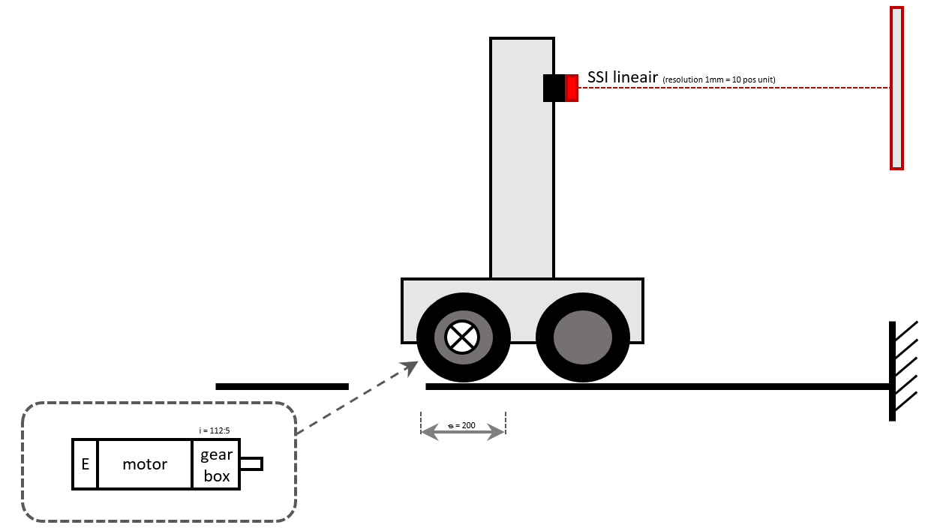
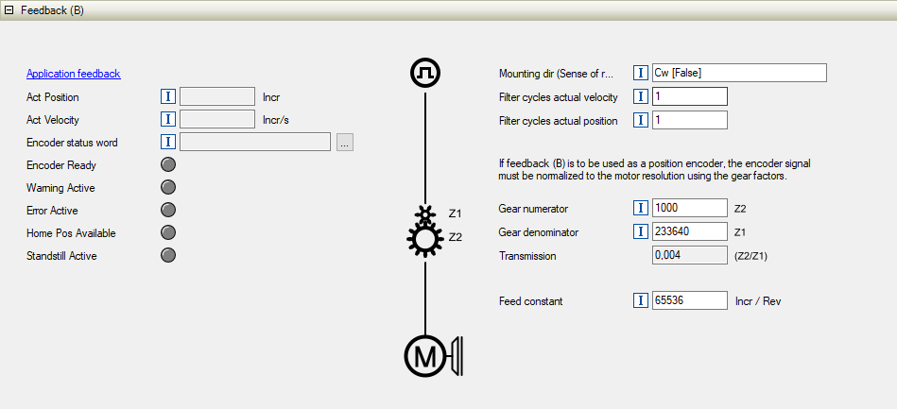
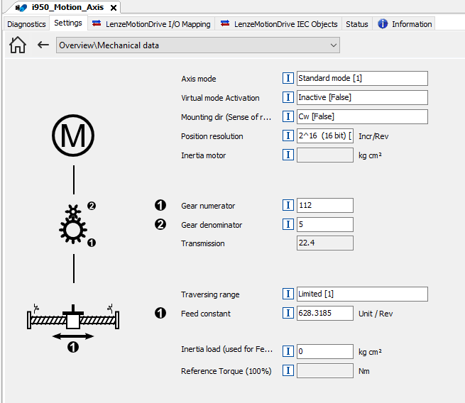
 | Input data
 |  | Feed constant |  | 628.3185 | mm
 |  | Gearbox numerator |  | 112
 |  | Gearbox denumerator |  | 5
 |  | SSI resolution |  | 10

 | Motion Axis settings (PLC Designer)
 |  | Mechanical data
 |  | Feed constant |  | 0x510x:032 | 628.3185 | mm
 |  | Gearbox numerator |  | 0x510x:033 | 112
 |  | Gearbox denumerator |  | 0x510x:034 | 5

 |  | Homing
 |  | Ref. pos. After mains |  | 0x510x:081 | Delete [False]

 |  | Position controller
 |  | Default control mode |  | 0x510x:090 | Poscontrol motor feedback [0]

 | i950 CIA Advanced
 |  | Application feedback
 |  | Bits/Revolution |  | 0x2C5A:003 | 16

 |  | Homing
 |  | Ref. pos. After mains |  | 0x500D:081 | Delete [False]
 |  | Ref. pos. After mains |  | 0x500E:081 | Delete [False]
 |  | Homepos available for… |  | 0x500E:085 | Permanent set [1]

 |  | Kinematics - Feedback (B)
 |  | Feed constant |  | 0x500E:032 | 65536 | incr/rev
 |  | Gearbox numerator |  | 0x500E:033 | 1000
 |  | Gearbox denumerator |  | 0x500E:034 | 233640
 |  | Transmission |  |  | 0.0042800890259

 |  | Note: Act Position (500E:010) is now displayed in relation to motor increments
 |  | Extended Safety (Resolver + SSI encoder)
 |  | Load Encoder (ES): Gear numerator |  |  | 23364
 |  | Load Encoder (ES): Gear denomerator |  |  | 100
 |  | Load Encoder (ES): Additional Gear numerator |  |  | 1
 |  | Load Encoder (ES): Additional Gear denomerator |  |  | 1

